Research Articles Tracker Templ
S.No | Research Article URL | Business Problem | Data set used & variables used | Download Data (if available) | Solution approach | Machine learning models used | Accuracy Achieved | Any interesting insights
1 | https://www.sciencedirect.com/science/article/pii/S1110016823011572 | Machine learning and IoT – Based predictive maintenance approach for industrial applications | Temperature, Humidity, Airflow | https://www.kaggle.com/datasets/srinivasanusuri/optimization-of-machine-downtime | Comaprign different classification algorithmn | AdaBoost, Grid search hyperparameter | 92% | 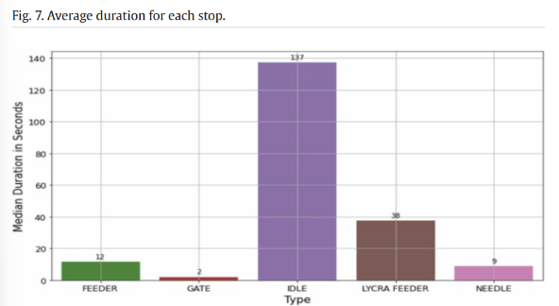
2 | https://www.researchgate.net/profile/Hussan-Al-Chalabi/publication/267021565_Downtime_analysis_of_drilling_machines_and_suggestions_for_improvements/links/5446611a0cf22b3c14de1e9a/Downtime-analysis-of-drilling-machines-and-suggestions-for-improvements.pdf | Downtime analysis of drilling machines and suggestions for improvements | Downtime (in hours per year) of specific machine components (rock drill, hoses, boom, accumulators, feeder, cables, steering system, hydraulics). | https://archive.ics.uci.edu/dataset/601/ai4i+2020+predictive+maintenance+dataset |  |  |  | The analysis performed was a downtime analysis of drilling machine components across different machines within the same mine and between two different mines.
3 | https://hal.science/hal-03391138/document | Maintenance Performance Evaluation and Downtime Analysis of Manufacturing Equipment in a Food Manufacturing Company | Many downtime factors | https://arxiv.org/pdf/1909.09347 |  |  |  | 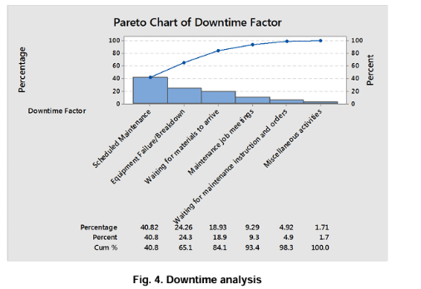 This Pareto chart analysis identifies "Scheduled Maintenance" and "Equipment Failure/Breakdown" as the most significant contributors to downtime, accounting for over 65% of the total.
4 | https://link.springer.com/article/10.1186/s40537-024-01030-4 | Exploring statistical and machine learning methods for modeling probability distribution parameters in downtime length analysis: a paper manufacturing machine case study | Mechanical and Electrical failures as it impacts Overall Equipment Effectiveness (OEE). | NA |  |  |  | 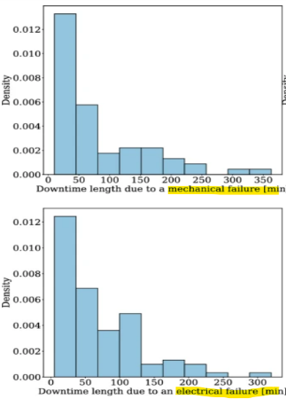 The charts are histograms showing the distribution of downtime lengths (in minutes) due to mechanical failures (top) and electrical failures (bottom), indicating the frequency of different downtime durations for each failure type.
5 | https://www.researchgate.net/publication/369595050_Optimizing_Production_Efficiency_A_Case_Study_on_Machine_Downtime_Analysis_and_Implementation_of_Quality_Control_Tools_and_Action_Plans | Optimizing Production Efficiency: A Case Study on Machine Downtime Analysis and Implementation of Quality Control Tools and Action Plans | List of down time factors | https://www.kaggle.com/datasets/srinivasanusuri/optimization-of-machine-downtime |  |  |  | 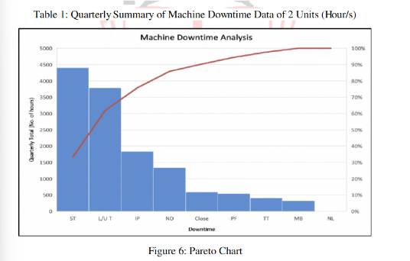
6 | https://www.researchpublish.com/upload/book/Evaluation%20of%20Machine%20Downtime-1864.pdf?utm_source=chatgpt.com | Evaluation of Machine Downtime and Failure Analysis of Components in Paint Manufacturing Unit: | Downtime is primarily addressed by planned maintenance strategies like scheduled, preventive, corrective, condition-based monitoring (CBM) using techniques such as vibration, infrared, oil, ultrasonic, and acoustic analysis, and reliability-centered maintenance (RCM), aiming to prevent failures and minimize unscheduled interruptions, contrasting with reactive breakdown maintenance. | NA |  |  |  | NA
7
8
9
10

